Welcome
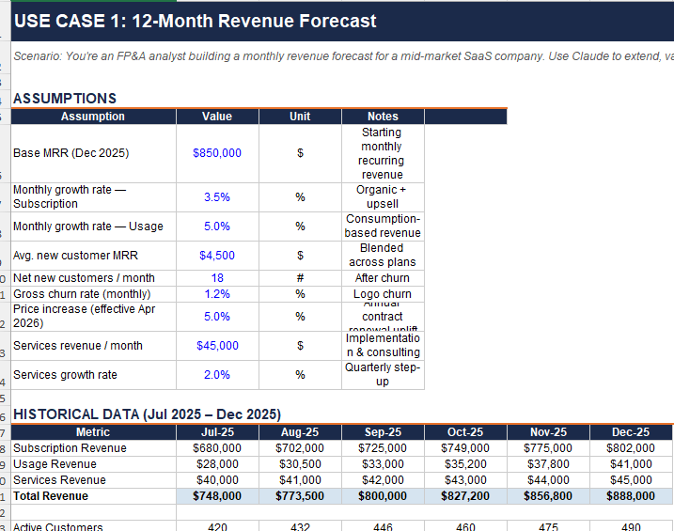
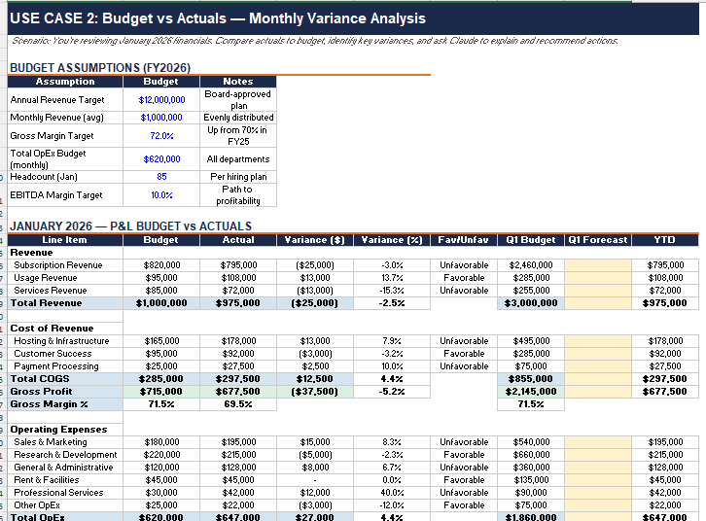
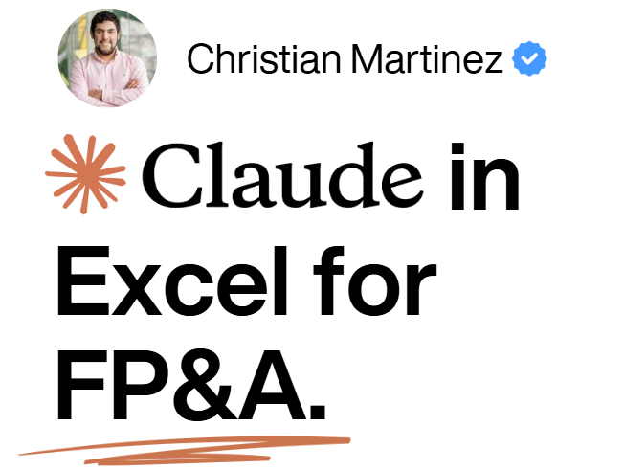

 | What is Claude in Excel?
 | Claude in Excel is an AI-powered add-in by Anthropic that integrates directly into your Excel workflow. It reads your workbook — cells, formulas, tabs — and helps you build, analyze, debug, and format spreadsheets using natural language. It's designed for finance professionals who live in Excel.
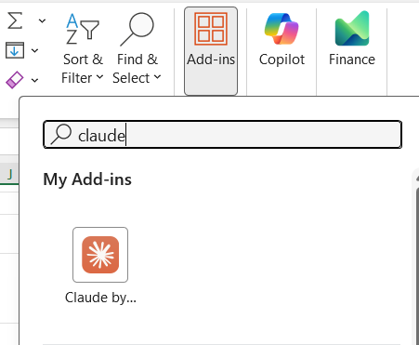
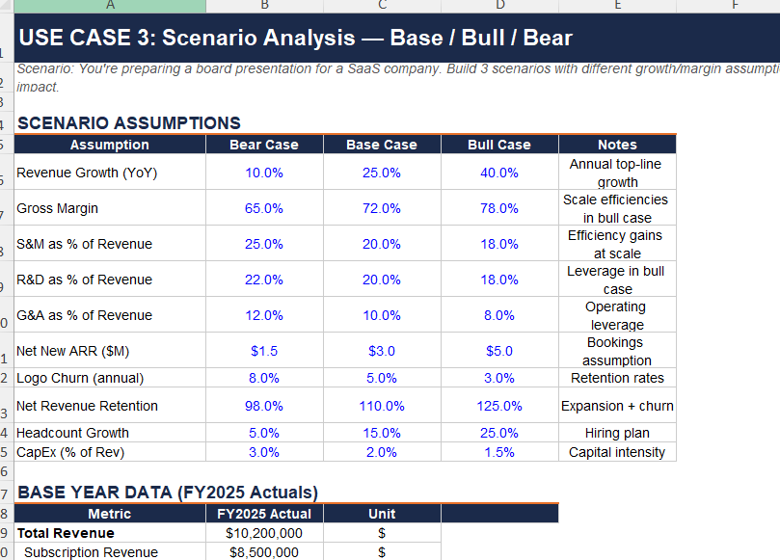
 | Who is this guide for?
 | FP&A analysts, financial modelers, controllers, and anyone who uses Excel for budgeting, forecasting, variance analysis, or financial reporting. No AI experience required.

 | How to install
 | 1) Go to Excel Add-ins and search 'Claude by Anthropic for Excel' → 2) Click 'Get it now' → 3) Open Excel, activate the add-in (Home > Add-ins on Windows, Tools > Add-ins on Mac) → 4) Sign in with your Claude account (Pro, Max, Team, or Enterprise).

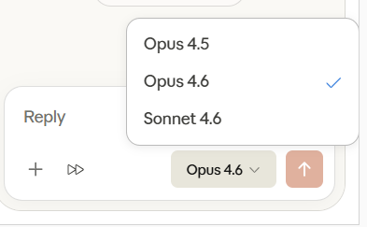
 | Available models
 | Sonnet 4.6 — fast, efficient for everyday tasks. Opus 4.6 — most advanced, ideal for complex modeling & analysis.

 | Key capabilities for FP&A
 | • Ask questions about your workbook with cell-level citations • Update assumptions while preserving formula dependencies • Build financial models from scratch (3-statement, DCF, LBO) • Debug formula errors (#REF!, #VALUE!, circular refs) • Variance analysis, forecasting, scenario modeling • Data cleaning & standardization • Charts, dashboards, conditional formatting • Connectors: pull data from S&P, FactSet, Pitchbook & more

 | Best practices
 | • Always review Claude's changes before saving • Verify outputs match your org's methodologies • Use for drafting & acceleration — not as a replacement for financial judgment • Only use with trusted spreadsheets (beware prompt injection in external files)

 | What's in this workbook?
 | This guide contains 3 interactive use cases with sample datasets and assumptions you can try with Claude in Excel: Tab 1 → Revenue Forecast — 12-month forecast with historical data & growth assumptions Tab 2 → Budget vs Actuals — Monthly variance analysis with department-level data Tab 3 → Scenario Analysis — Base / Bull / Bear cases for a SaaS company Open each tab, activate Claude, and try the suggested prompts!

 | Quick-Start Prompt Ideas
 | Understand your model | "Explain how the revenue forecast flows into the P&L"
 | Update assumptions | "Increase the growth rate to 8% and show impact on EBITDA"
 | Build from scratch | "Build a 12-month cash flow forecast using the data on this sheet"
 | Debug errors | "Why is cell F12 showing #VALUE!? Trace the issue."
 | Variance analysis | "Compare actuals to budget and explain the top 5 variances"
 | Scenario modeling | "Create a bear case assuming revenue drops 20%"
 | Format & present | "Format this model using IB conventions (blue inputs, black formulas)"

Models Guide
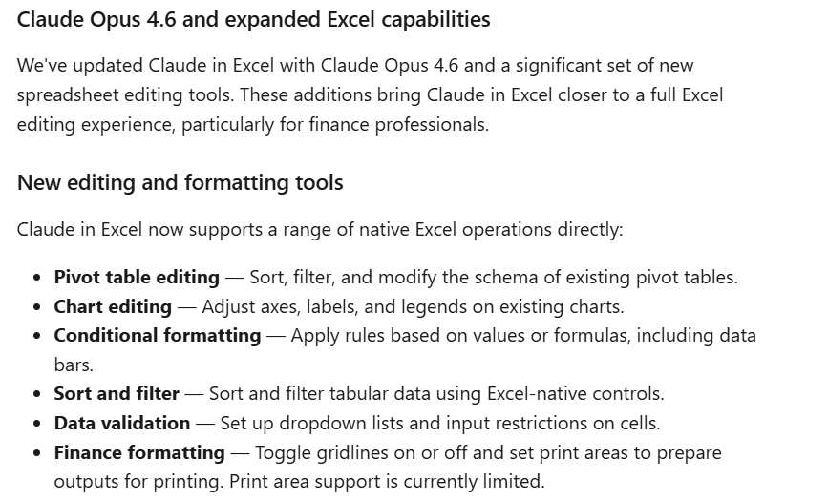
More info
Use Claude in Excel | Claude Help Center

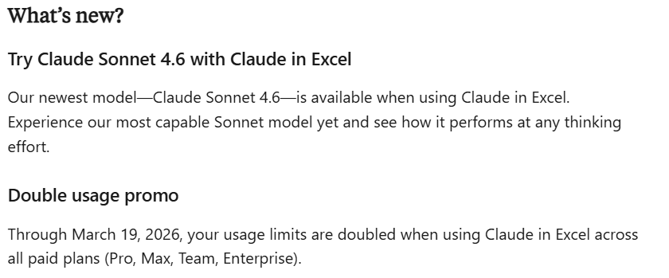
Info Updated Saturday 28 February,2026

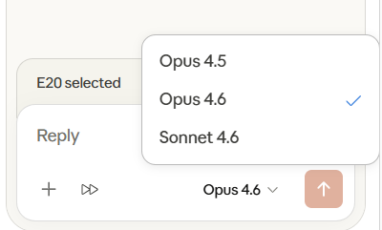

Get started with Claude in Excel
For individuals
Navigate to the Claude in Excel listing on Microsoft Marketplace.
Click "Get it now" to install the add-in.
Open Excel, activate the add-in, and sign in with your Claude account.
For admins
Deploy Claude in Excel to your organization:
Visit the Microsoft 365 Admin Center.
Navigate to Settings > Org Settings > User owned apps and services and ensure that “Let users access the Office Store" is toggled on.
Navigate to Settings > Integrated apps > Add-ins.
Search for "Claude by Anthropic for Excel" in Microsoft AppSource.
Deploy the add-in to your organization or specific users.
Share these instructions with your team: Microsoft's deployment guide.
After installation, team members can open Excel, activate the Claude add-in (from Tools > Add-ins on Mac or Home > Add-ins on Windows), sign in with their Claude credentials, and start working with their spreadsheets.

Key features
Read and understand complex models
Ask Claude questions about specific cells, formulas, or entire sections of your workbook. Claude can navigate across multiple tabs and provides answers with direct citations to referenced cells.
Example prompts:
"What assumptions drive the revenue forecast in Q3?"
"Explain how the WACC calculation flows through the DCF model"
Update assumptions safely
Modify values and inputs while Claude maintains all formula dependencies and relationships. Every change is highlighted with clear explanations.
Example prompts:
"Increase growth rate by 2% and show the impact on terminal value"
"Update interest rate assumptions based on latest Fed guidance"
Build and fill templates
Create spreadsheets from scratch or populate existing templates with new data, formulas, and assumptions.
Example prompts:
"Build a three-statement model for a SaaS company"
"Fill this DCF template with data from the uploaded 10-K"
Debug and fix errors
Identify error sources (like #REF!, #VALUE!, or circular references) and get actionable fixes that maintain spreadsheet integrity.
Example prompts:
"Why is this NPV calculation returning #VALUE?"
"Find all circular references in this workbook"
Change tracking and citations
Claude highlights every cell it updates and provides explanatory comments. When explaining calculations, Claude includes clickable citations that navigate directly to referenced cells.
Edit and format natively
Claude can now apply a range of Excel-native operations directly, including sorting and filtering data, editing pivot tables and charts, applying conditional formatting rules, setting data validation, and preparing workbooks for printing with finance-specific formatting tools.
Example prompts:
"Sort this table by revenue, descending"
"Add a conditional format that highlights cells below the target threshold in red"
"Set up a dropdown for the status column with options: Active, Pending, Closed"
"Toggle off gridlines and set the print area to A1:F20"

Example use cases
Financial modeling
Build models
"Build a 3-statement financial model for [company/industry]"
"Create a SaaS metrics model with ARR, churn, and LTV calculations"
"Build an LBO model with debt schedules and returns analysis"
"Create a real estate pro forma for a multifamily acquisition"
Forecasting
"Build a 12-month revenue forecast using historical trends"
"Create a headcount capacity plan based on target client count"
"Model cash flow projections for the next 3 years"
Scenario analysis
"Add a downside case assuming revenue drops 15%"
"Create base, bull, and bear scenarios with different growth assumptions"
"Build a sensitivity table showing IRR across exit multiples and hold periods"
Data analysis
Insights and trends
"What trends stand out in 2025 vs 2024?"
"Identify the top 10 customers by revenue and their growth rates"
"Which product categories are underperforming vs budget?"
Variance analysis
"Compare actuals to budget and explain the largest variances"
"Which accounts have unusual changes vs prior month?"
"Reconcile these two sheets and highlight discrepancies"
Categorization
"Categorize these transactions into expense types"
"Tag customer feedback by sentiment and topic"
"Score each lead based on likelihood to convert"
Data cleaning
Standardize formats
"Convert all dates to YYYY-MM-DD format"
"Standardize phone numbers to +1 (XXX) XXX-XXXX"
"Clean up company names (remove Inc, LLC, Ltd variations)"
Fix data quality issues
"Find and remove duplicate rows, keeping the most recent"
"Identify and fix unicode/encoding errors"
"Fill missing values based on patterns in the data"
Parse and transform
"Extract company name from email domain"
"Split full address into street, city, state, zip columns"
"Convert this pivot table into a flat data table"
Formulas
Troubleshooting
"Find all #REF and #VALUE errors in this workbook"
"Why is cell B4 showing an error? Trace the issue"
"This SUMIF isn't returning the right result — what's wrong?"
Explanation
"Explain what this formula does in plain English"
"Trace this cell back to its source inputs"
"Document all the formulas on this sheet"
Creation
"Write a formula to calculate days of inventory from this data"
"Create a VLOOKUP that pulls price from the rate table"
"Build a formula that flags overdue invoices"
Dashboards and reporting
Dashboards
"Create an executive dashboard summarizing all worksheets"
"Build a KPI scorecard with revenue, margins, and growth metrics"
"Make an interactive summary with key charts and metrics"
Reports
"Generate a monthly financial summary from the GL data"
"Create a board-ready P&L with variance commentary"
"Consolidate regional sheets into a company-wide report"
Charts
"Create a waterfall chart showing revenue bridge"
"Build a combo chart with revenue bars and margin line"
"Make a cohort retention heatmap from this data"
Formatting
Professional styling
"Format this model using IB conventions (blue inputs, black formulas)"
"Add headers, borders, and proper number formats"
"Apply consistent formatting across all sheets"
Conditional formatting
"Highlight negative values in red"
"Color-code rows by status (green/yellow/red)"
"Add data bars to show relative performance"
Document import
PDF extraction
"Extract the financial table from this PDF into Excel"
"Pull the line items from this invoice PDF into my template"
"Convert this scanned statement into editable data"
Template population
"Fill in my deal template using data from this offering memo"
"Populate the pitch template with these company metrics"
"Map the imported CSV data to my standard format"
Model review
Audit and validation
"Check that all formulas link correctly across sheets"
"Verify the balance sheet balances in all periods"
"Find any hardcoded values that should be formulas"
Improvement
"How can I simplify this model structure?"
"What's missing from this valuation model?"
"Suggest ways to make this more user-friendly"

Frequently asked questions
Which models are available when using Claude in Excel?
You can switch between Sonnet 4.6 and Opus 4.6 when using Claude in Excel.
Does Claude understand financial modeling conventions?
Yes, Claude is trained to recognize common financial modeling patterns, formula structures, and industry-standard calculations. However, always verify that outputs match your specific methodologies.
Can I use Claude in Excel with sensitive data?
Claude in Excel works within your existing security framework. For highly sensitive or regulated data, ensure you follow your organization's data handling policies.
What happens to my chat history?
Currently, chat history is not saved between sessions. Each time you open the add-in, you start a fresh conversation with Claude. However, we are working to support this in future versions of Claude in Excel.
How does Claude access my spreadsheet?
Claude reads the content of your currently open workbook, including cells, formulas, and tab structure. It can only access the workbook you have open in Excel.
What if Claude makes a mistake?
Claude highlights all changes it makes to your workbook. Review these changes carefully before saving or sharing your file. You can always undo changes using Excel's standard undo function.

1 - Revenue Forecast
USE CASE 1: 12-Month Revenue Forecast
Scenario: You're an FP&A analyst building a monthly revenue forecast for a mid-market SaaS company. Use Claude to extend, validate, and scenario-test this data.

ASSUMPTIONS
Assumption | Value | Unit | Notes
Base MRR (Dec 2025) | $850,000 | $ | Starting monthly recurring revenue
Monthly growth rate — Subscription | 3.5% | % | Organic + upsell
Monthly growth rate — Usage | 5.0% | % | Consumption-based revenue
Avg. new customer MRR | $4,500 | $ | Blended across plans
Net new customers / month | 18 | # | After churn
Gross churn rate (monthly) | 1.2% | % | Logo churn
Price increase (effective Apr 2026) | 5.0% | % | Annual contract renewal uplift
Services revenue / month | $45,000 | $ | Implementation & consulting
Services growth rate | 2.0% | % | Quarterly step-up

HISTORICAL DATA (Jul 2025 – Dec 2025)
Metric | Jul-25 | Aug-25 | Sep-25 | Oct-25 | Nov-25 | Dec-25
Subscription Revenue | $680,000 | $702,000 | $725,000 | $749,000 | $775,000 | $802,000
Usage Revenue | $28,000 | $30,500 | $33,000 | $35,200 | $37,800 | $41,000
Services Revenue | $40,000 | $41,000 | $42,000 | $43,000 | $44,000 | $45,000
Total Revenue | $748,000 | $773,500 | $800,000 | $827,200 | $856,800 | $888,000

Active Customers | 420 | 432 | 446 | 460 | 475 | 490
New Customers | 18 | 19 | 20 | 20 | 21 | 22
Churned Customers | 5 | 7 | 6 | 6 | 6 | 7
ARPU ($) | $1,781 | $1,791 | $1,794 | $1,798 | $1,804 | $1,812

FORECAST (Jan 2026 – Dec 2026) — Ask Claude to build this!
Metric | Jan-26 | Feb-26 | Mar-26 | Apr-26 | May-26 | Jun-26 | Jul-26 | Aug-26 | Sep-26 | Oct-26 | Nov-26 | Dec-26
Subscription Revenue
Usage Revenue
Services Revenue
Total Revenue

Active Customers
New Customers
Churned Customers
ARPU ($)

MoM Growth %
YoY Revenue (annualized)

TRY THESE PROMPTS WITH CLAUDE

→ "Using the assumptions and historical data above, build a 12-month revenue forecast for Jan–Dec 2026."
→ "What happens to total revenue if we increase the monthly growth rate to 5%? Update the assumptions."
→ "Add a line for cumulative revenue and chart monthly vs cumulative revenue."
→ "Explain how the subscription revenue forecast is calculated, with cell references."
→ "Create a sensitivity table showing annual revenue at growth rates from 2% to 6%."

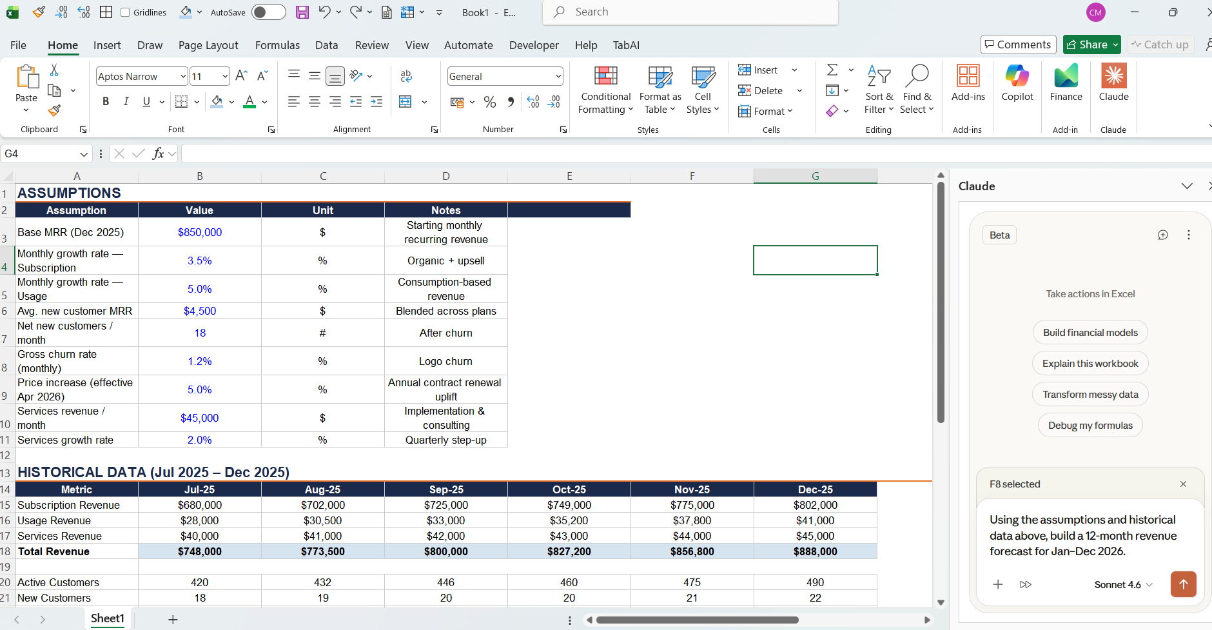
Example →

2 - Budget vs Actuals
USE CASE 2: Budget vs Actuals — Monthly Variance Analysis
Scenario: You're reviewing January 2026 financials. Compare actuals to budget, identify key variances, and ask Claude to explain and recommend actions.

BUDGET ASSUMPTIONS (FY2026)
Assumption | Budget | Notes
Annual Revenue Target | $12,000,000 | Board-approved plan
Monthly Revenue (avg) | $1,000,000 | Evenly distributed
Gross Margin Target | 72.0% | Up from 70% in FY25
Total OpEx Budget (monthly) | $620,000 | All departments
Headcount (Jan) | 85 | Per hiring plan
EBITDA Margin Target | 10.0% | Path to profitability

JANUARY 2026 — P&L BUDGET vs ACTUALS
Line Item | Budget | Actual | Variance ($) | Variance (%) | Fav/Unfav | Q1 Budget | Q1 Forecast | YTD
Revenue
Subscription Revenue | $820,000 | $795,000 | ($25,000) | -3.0% | Unfavorable | $2,460,000 |  | $795,000
Usage Revenue | $95,000 | $108,000 | $13,000 | 13.7% | Favorable | $285,000 |  | $108,000
Services Revenue | $85,000 | $72,000 | ($13,000) | -15.3% | Unfavorable | $255,000 |  | $72,000
Total Revenue | $1,000,000 | $975,000 | ($25,000) | -2.5% |  | $3,000,000 |  | $975,000

Cost of Revenue
Hosting & Infrastructure | $165,000 | $178,000 | $13,000 | 7.9% | Unfavorable | $495,000 |  | $178,000
Customer Success | $95,000 | $92,000 | ($3,000) | -3.2% | Favorable | $285,000 |  | $92,000
Payment Processing | $25,000 | $27,500 | $2,500 | 10.0% | Unfavorable | $75,000 |  | $27,500
Total COGS | $285,000 | $297,500 | $12,500 | 4.4% |  | $855,000 |  | $297,500
Gross Profit | $715,000 | $677,500 | ($37,500) | -5.2% |  | $2,145,000 |  | $677,500
Gross Margin % | 71.5% | 69.5% |  |  |  | 71.5%

Operating Expenses
Sales & Marketing | $180,000 | $195,000 | $15,000 | 8.3% | Unfavorable | $540,000 |  | $195,000
Research & Development | $220,000 | $215,000 | ($5,000) | -2.3% | Favorable | $660,000 |  | $215,000
General & Administrative | $120,000 | $128,000 | $8,000 | 6.7% | Unfavorable | $360,000 |  | $128,000
Rent & Facilities | $45,000 | $45,000 | - | 0.0% | Favorable | $135,000 |  | $45,000
Professional Services | $30,000 | $42,000 | $12,000 | 40.0% | Unfavorable | $90,000 |  | $42,000
Other OpEx | $25,000 | $22,000 | ($3,000) | -12.0% | Favorable | $75,000 |  | $22,000
Total OpEx | $620,000 | $647,000 | $27,000 | 4.4% |  | $1,860,000 |  | $647,000

EBITDA | $95,000 | $30,500 | ($64,500) | -67.9% |  | $285,000 |  | $30,500
EBITDA Margin % | 9.5% | 3.1% |  |  |  | 9.5%

DEPARTMENT HEADCOUNT & SPEND DETAIL
Department | Headcount | Budget Spend | Actual Spend | Variance | Cost/Head
Sales & Marketing | 22 | $180,000 | $195,000 | $15,000 | $8,864
Engineering (R&D) | 35 | $220,000 | $215,000 | ($5,000) | $6,143
G&A / Finance | 12 | $120,000 | $128,000 | $8,000 | $10,667
Customer Success | 10 | $95,000 | $92,000 | ($3,000) | $9,200
Executive | 6 | $75,000 | $75,000 | - | $12,500
Total | 85 | $690,000 | $705,000 | $15,000 | $47,373

TRY THESE PROMPTS WITH CLAUDE

→ "Compare actuals to budget and explain the largest variances. Which line items should I flag for the CFO?"
→ "Based on January actuals, forecast Q1 revenue and fill in the Q1 Forecast column."
→ "Why is the EBITDA margin below target? Break down the drivers."
→ "Create a waterfall chart showing the bridge from budget EBITDA to actual EBITDA."
→ "Highlight all unfavorable variances > 5% with conditional formatting in red."
→ "Which department has the highest cost per headcount? Is that expected?"

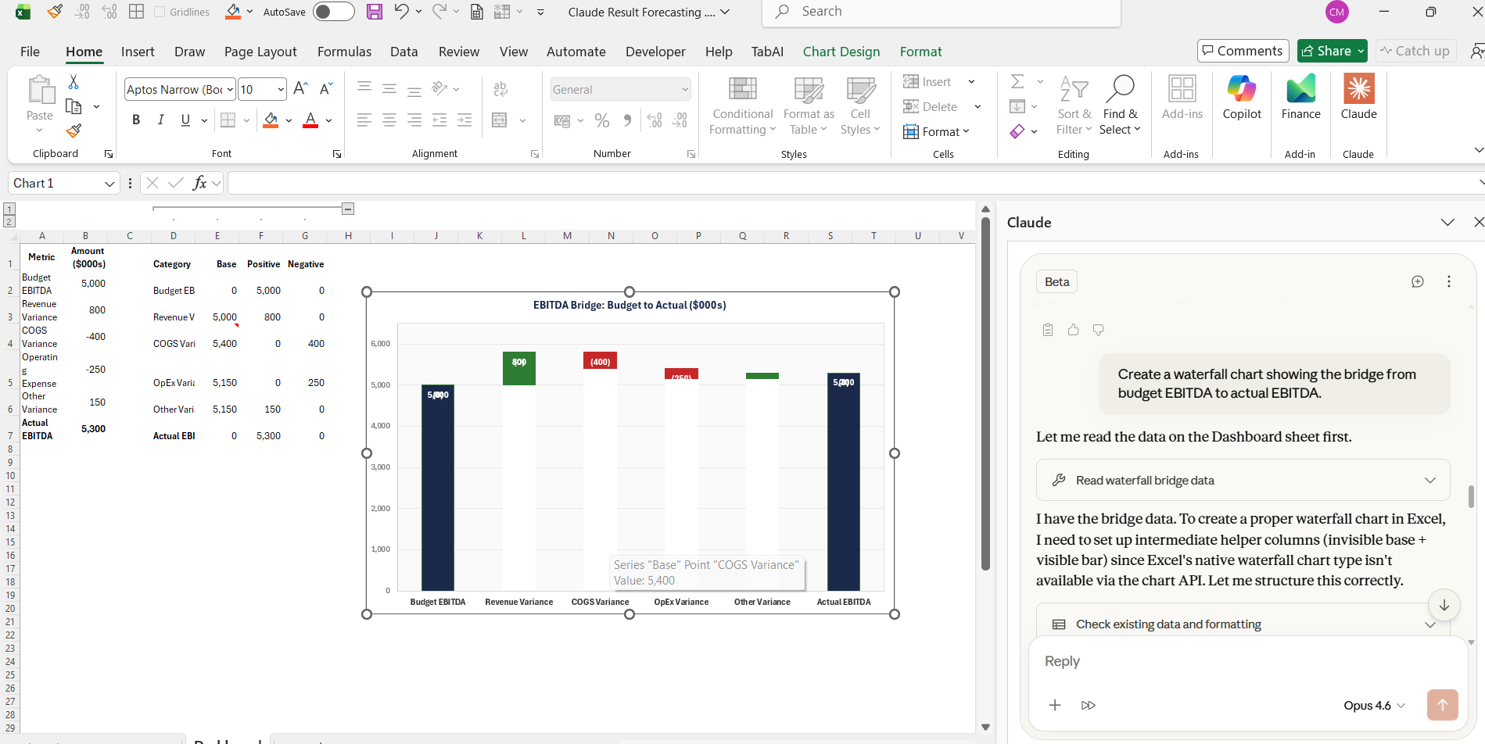

Example →

